Sheet1
 |  | Document No. | Issue No. | Issue Date |  | Review and Replace Date |  | Authorised By
 |  | GFF030MC | 3 | 08.04.2022 |  | 27.10.2022
 |  | Document Title | GC- 20 Onion Bhaji | 2000G -High Risk
 |  |  |  |  |  |  |  | Magda Shah
Document amendments reason for change |  | Tray and Film Updated | Page 1 of 1 |  | Previous Issue Date |  | 15.10.2022 | Uncontrolled copy unless signed original

COBHL-B20T | Gazebo (BULK-SNACKS) |  | GC- 20 Onion Bhaji | 2000G
STEP 1 |  |  |  |  | STEP 2
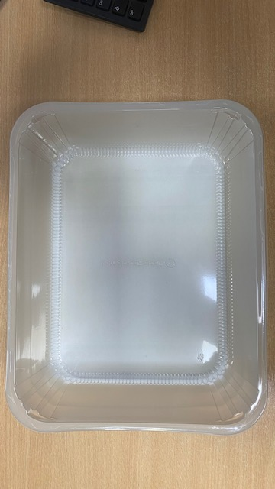

Tray: HW308/96 - OPEN ECO - (PKLEE001-10) |  |  |  |  | Onion Bhaji Large (GFF121R): 100g 20 Pieces (2000g)
Film: K Peel RPSM 25µm (340mmX1000lmm) (PKKMP001-05)
STEP 3
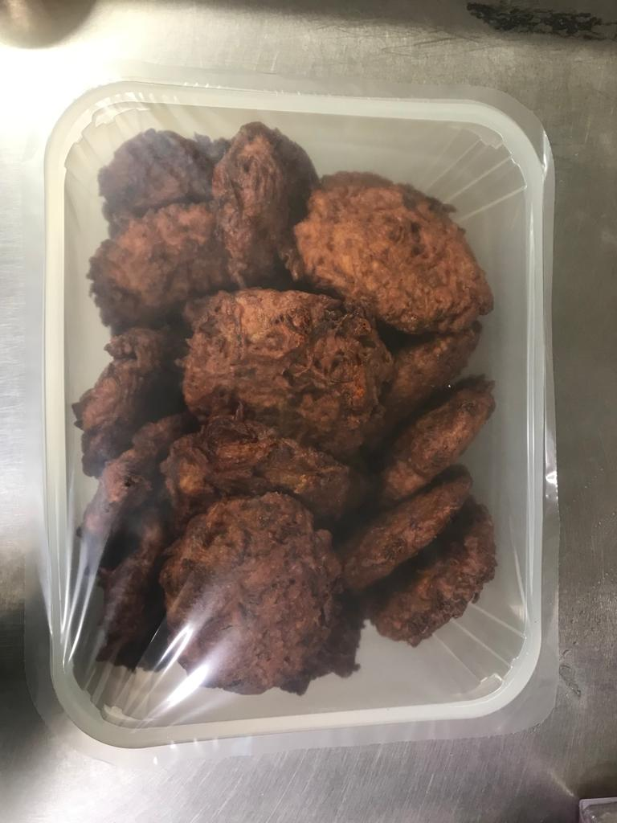

TOTAL WEIGHT: 2000g

ALLERGY ALERT: None

